Overview
Preschool Plus fee relief calculator instructions

Preschool Plus is a quality 30 hour preschool program for eligible 3- and 4-year-olds, that supports those children at greatest risk of developmental vulnerability.
In 2026, up to 200 children will be enrolled in the Preschool Plus program in integrated hubs, government preschools and partner services.
Partner services with Preschool Plus enrolments will receive additional funding. This includes Preschool Plus fee relief for eligible families to support program affordability. Please note Preschool Plus fee relief funding is applicable for eligible children referred into the Preschool Plus program only.
This calculator tool is designed to support conversations with families, by estimating the indicative out-of-pocket costs payable for each eligible Preschool Plus enrolment.
For further details about the Preschool Plus program and Preschool Plus fee relief, please consult the Policy and Funding Guide.
Please reach out to OECD.PreschoolFunding@sa.gov.au if you have any questions relating to funding.
Please reach out to OECD.PreschoolPlus@sa.gov.au if you have any questions relating to Preschool Plus.

Workbook contents:
This workbook contains 3 sections:
- Preschool Plus fee relief - a reference tab with an overview of the design and eligibility for Preschool Plus fee relief.
- Individual child calculator - a scenario tool to support calculations for individual circumstances. This spreadsheet supports calculations for 8 individual children. If you have more than 8 Preschool Plus enrolments at your service, please contact OECD.PreschoolFunding@sa.gov.au. Please enter the child's name at the top of each tab, in cell C1.
- Service summary - a summary worksheet to support calculations for multiple children at a service. This worksheet will automatically populate as you add individual children, and no manual data entry is required.
User input fields are highlighted in white for manual entry and purple for user selections.
Please remember to save your work when required.
Disclaimer
Any use of this document is solely at the risk of the user. The Minister for Education, Training and Skills, the Office for Early Childhood Development, the State of South Australia, its agencies, instrumentalities, employees and contractors disclaim any and all liability to any person in respect to anything or the consequence of anything done or omitted to be done in reliance upon the whole or any part of this information.

Preschool Plus fee relief
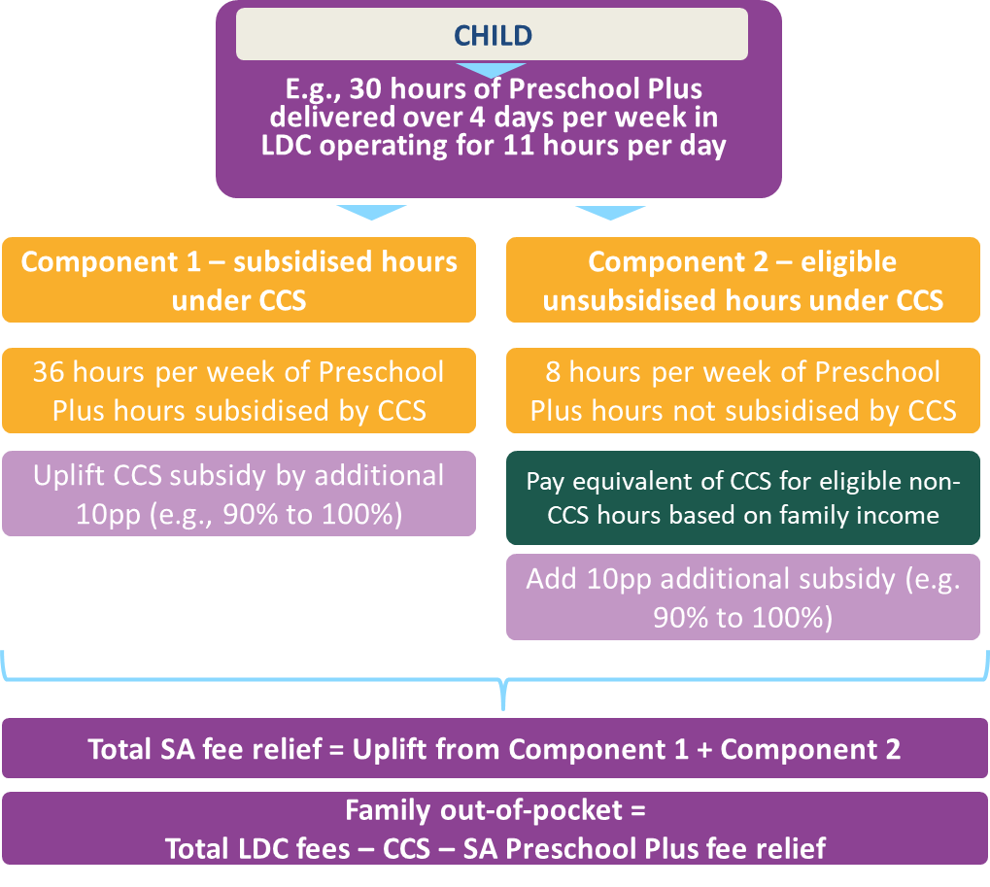
Preschool Plus fee relief

The value of Preschool Plus fee relief depends on a range of factors related to the Preschool Plus child's family, service, and the design of the Preschool Plus program offer.
First, it must be determined if a child is eligible for Preschool Plus fee relief. The flow diagram below indicates the questions that determine eligibility for Preschool Plus fee relief.

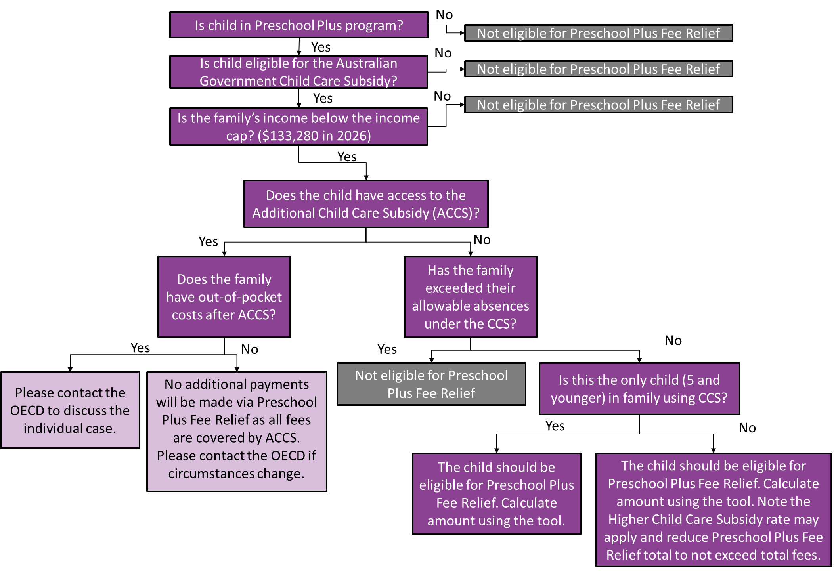

If a child has been determined as eligible for Preschool Plus fee relief, the value of the fee relief will depend on the following factors:
- Preschool Plus program attributes:
- Number of days offered per week (3 or 4 days)
- Number of total program hours per day (note, long day care hours around preschool hours are eligible, with the total day length to receive Preschool Plus fee relief capped at 11 hours per day).
- Hourly fee (capped at the Child Care Subsidy hourly rate cap. In 2025-26, $14.63 for centre based day care for children below school age)
- Attributes of the child's family:
- Subsidised Child Care Subsidy hours (depending on activity level). This is a minimum of 72 hours per fortnight with the Australian Government's 3-Day Guarantee commencing in January 2026. Families may be eligible for hours above this for for Aboriginal and/or Torres Strait Islander children. If families have activity levels of more than 48 hours of activity per fortnight, they are eligible for 100 hours of subsidised care, per child, each fortnight.
- Child Care Subsidy rate (dependent on family income).
- the number of children aged 5 and younger accessing subsidised early childhood education and care
Please note: the number of total hours of early childhood education and care the family accesses for the child (beyond the Preschool Plus days) does not impact the value of the Preschool Plus fee relief. However, this may appear differently on invoices to families, depending on how many, and which days of the week, are accessed in total, relative to the Preschool Plus program. This will also depend on the level of detail shown (per session, per week, per fortnight, or other period).
The diagram below provides an overview of the Preschool Plus fee relief policy for an example with a 4 day per week Preschool Plus program, operating 11 hours per day, for a family only receiving the 3-Day Guarantee child care subsidy hours. To learn more, please read the Policy and Funding Guide.

